LAB6 Activitate_Ender_2
0%Pn-->P=0 MW | P[MW] | dP[MW] |  | 20% Pn -->P=2.2MW | P[MW] | dP[MW] | 40% Pn -->P = 4.4 MW | P[MW] | dP[MW] | 60% Pn --> P = 6.6 MW | P[MW] | dP[MW] | 80% Pn --> P = 8.8 MW | P[MW] | dP[MW] | 100% Pn --> P =11MW =Pmax | P[MW] | dP[MW] <--Ploss [MW] | Distanta L_SD | 2.5 | km | Pierderi Putere activa L_SD conectata nod C5 | 1.370916 | MW <--mai fezabil L_SD conectata la nod C5 (Pierderi mai mici)
L1 | 3.166 | 0.0365 |  | L1 | 0.912 | 0.0097 | L1 | 1.211 | 0.012 | L1 | 3.229 | 0.0384 | L1 | 5.165 | 0.0854 | L1 | 7.03 | 0.1503 | Distanta pana la bara: | 15.7 | km | Pierderi Putere activa L_SD conectata la bara | 1.627491 | MW
L10 | 7.628 | 0.1934 |  | L10 | 7.625 | 0.1921 | L10 | 7.623 | 0.1912 | L10 | 7.622 | 0.1906 | L10 | 7.621 | 0.1903 | L10 | 7.621 | 0.1902
L1-2 | 2.373 | 0.0172 |  | L1-2 | 0.146 | 0.0035 | L1-2 | 1.98 | 0.0128 | L1-2 | 4.026 | 0.0411 | L1-2 | 6.007 | 0.0857 | L1-2 | 7.931 | 0.1446
L2-3 | 1.951 | 0.0185 |  | L2-3 | 0.267 | 0.0041 | L2-3 | 2.41 | 0.0247 | L2-3 | 4.506 | 0.0743 | L2-3 | 6.561 | 0.1488 | L2-3 | 8.581 | 0.2451
L3-4 | 1.696 | 0.0071 |  | L3-4 | 0.505 | 0.0019 | L3-4 | 2.66 | 0.014 | L3-4 | 4.783 | 0.0404 | L3-4 | 6.877 | 0.0791 | L3-4 | 8.946 | 0.1287
L4-5 | 1.123 | 0.0052 |  | L4-5 | 1.075 | 0.0046 | L4-5 | 3.258 | 0.0321 | L4-5 | 5.431 | 0.0831 | L4-5 | 7.596 | 0.1542 | L4-5 | 9.755 | 0.243
L5-6 | 0.473 | 0.0005 |  | L5-6 | 0.473 | 0.0004 | L5-6 | 0.473 | 0.0004 | L5-6 | 0.473 | 0.0004 | L5-6 | 0.473 | 0.0004 | L5-6 | 0.473 | 0.0004
L7-8 | 1.845 | 0.0167 |  | L7-8 | 1.845 | 0.0166 | L7-8 | 1.845 | 0.0165 | L7-8 | 1.845 | 0.0164 | L7-8 | 1.845 | 0.0164 | L7-8 | 1.845 | 0.0164
L8-9 | 3.461 | 0.0673 |  | L8-9 | 3.46 | 0.0668 | L8-9 | 3.46 | 0.0665 | L8-9 | 3.459 | 0.0663 | L8-9 | 3.459 | 0.0661 | L8-9 | 3.459 | 0.0661
L9-10 | 5.394 | 0.1337 |  | L9-10 | 5.393 | 0.1328 | L9-10 | 5.392 | 0.1321 | L9-10 | 5.391 | 0.1317 | L9-10 | 5.391 | 0.1315 | L9-10 | 5.391 | 0.1314

L6-7 Debuclata (pierderi minime)
Circulatie de putere activa prin LE
Pierderi de putere activa prin LE
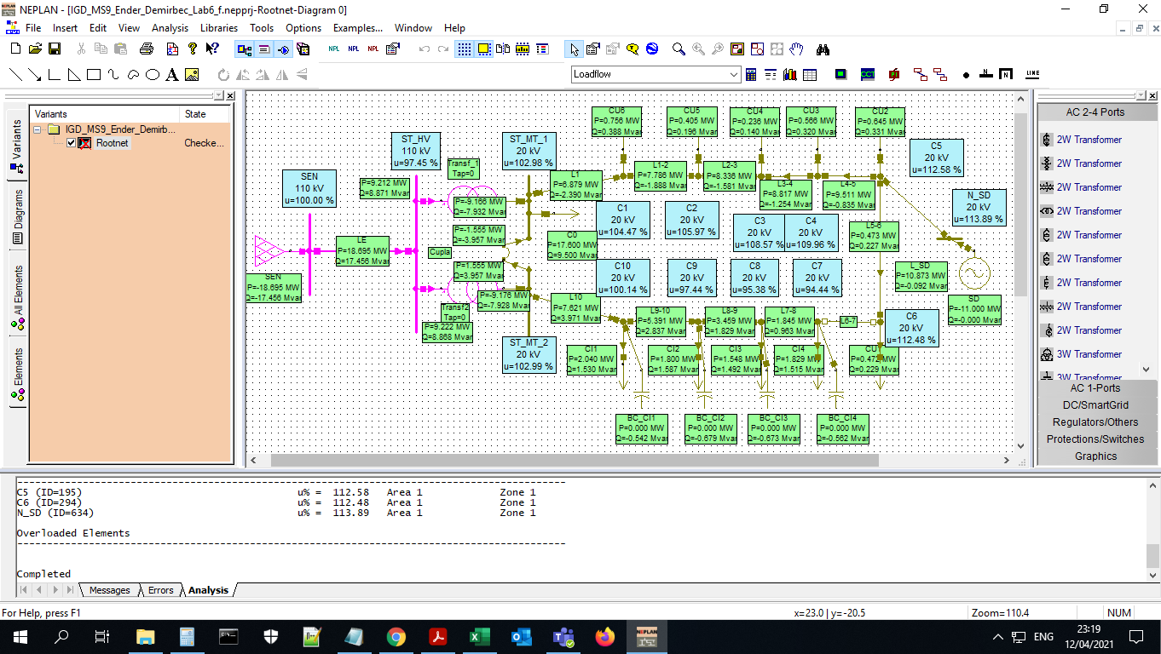

Puterile:
Pn=Pmax | 11 | MW | (conform Laborator 5)
0%*Pn | 0 | MW
20%*Pn | 2.2 | MW
40%*Pn | 4.4 | MW
60%*Pn | 6.6 | MW
80%*Pn | 8.8 | MW
100%*Pn | 11 | MW

LAB6 Activitate_Ender_1

0%Pn-->P=0 MW | P[MW] | dP[MW] | 20% Pn -->P=2.2MW | P[MW] | dP[MW] | 40% Pn -->P = 4.4 MW | P[MW] | dP[MW] | 60% Pn --> P = 6.6 MW | P[MW] | dP[MW] | 80% Pn --> P = 8.8 MW | P[MW] | dP[MW] | 100% Pn --> P =11MW | P[MW] | dP[MW] | Distanta L_SD | 2.5 | km | Pierderi Putere activa L_SD conectata nod C5 | 1.9067092.352438 | MW <--mai fezabil L_SD conectata la nod C5 (Pierderi mai mici)
L1 | 3.166 | 0.0365 | L1 | 0.918 | 0.0098 | L1 | 1.188 | 0.0121 | L1 | 3.183 | 0.038 | L1 | 5.09 | 0.084 | L1 | 6.921 | 0.1475 | Distanta pana la bara: | 15.7 | km | Pierderi Putere activa L_SD conectata la bara | 2.352438 | MW
L10 | 7.628 | 0.1934 | L10 | 7.625 | 0.1921 | L10 | 7.623 | 0.1913 | L10 | 7.622 | 0.1907 | L10 | 7.621 | 0.1905 | L10 | 7.621 | 0.1904
L1-2 | 2.373 | 0.0172 | L1-2 | 0.152 | 0.0036 | L1-2 | 1.958 | 0.0127 | L1-2 | 3.98 | 0.0406 | L1-2 | 5.931 | 0.0843 | L1-2 | 7.819 | 0.1418
L2-3 | 1.951 | 0.0185 | L2-3 | 0.261 | 0.0041 | L2-3 | 2.387 | 0.0245 | L2-3 | 4.458 | 0.0733 | L2-3 | 6.482 | 0.1463 | L2-3 | 8.465 | 0.2405
L3-4 | 1.696 | 0.0071 | L3-4 | 0.499 | 0.0019 | L3-4 | 2.637 | 0.0139 | L3-4 | 4.735 | 0.0399 | L3-4 | 6.797 | 0.0778 | L3-4 | 8.828 | 0.1262
L4-5 | 1.123 | 0.0052 | L4-5 | 1.069 | 0.0045 | L4-5 | 3.235 | 0.0318 | L4-5 | 5.382 | 0.0819 | L4-5 | 7.514 | 0.1516 | L4-5 | 9.632 | 0.2385
L5-6 | 0.473 | 0.0005 | L5-6 | 0.473 | 0.0004 | L5-6 | 0.473 | 0.0004 | L5-6 | 0.473 | 0.0004 | L5-6 | 0.473 | 0.0004 | L5-6 | 0.473 | 0.0004
L7-8 | 1.845 | 0.0167 | L7-8 | 1.845 | 0.0166 | L7-8 | 1.845 | 0.0165 | L7-8 | 1.845 | 0.0164 | L7-8 | 1.845 | 0.0164 | L7-8 | 1.845 | 0.0164
L8-9 | 3.461 | 0.0673 | L8-9 | 3.46 | 0.0668 | L8-9 | 3.46 | 0.0665 | L8-9 | 3.459 | 0.0663 | L8-9 | 3.459 | 0.0662 | L8-9 | 3.459 | 0.0662
L9-10 | 5.394 | 0.1337 | L9-10 | 5.393 | 0.1328 | L9-10 | 5.392 | 0.1322 | L9-10 | 5.391 | 0.1318 | L9-10 | 5.391 | 0.1316 | L9-10 | 5.391 | 0.1316

L6-7 Debuclata
Circulatie de putere activa prin LE
Pierderi de putere activa prin LE

Comparatie Sol1siSol2
SOLUTIA 1 (SD la nod C5, departe de bara MT)
P_SD[MW] | 1.000000 | 2.000000 | 3.000000 | 4.000000 | 5.000000 | 6.000000 | 7.000000 | 8.000000 | 9.000000 | 10.000000 | 11.000000 | 12.000000
dP [MW] | 1.004581 | 0.967519 | 0.965268 | 0.994629 | 1.052952 | 1.138008 | 1.247907 | 1.381028 | 1.535972 | 1.711520 | 1.906709 | 2.120463
Observatii | - | - | - | - | - | - | - | - | - | - | doar L_SD supraincarcata se opreste la Puterea max P =11 MW | L_SD si L4-5 supraincarcate! Se opreste la P = 11 MW
Pierderile de putere activă în funcție de puterea generată de sursa distribuită dP[MW] VS P_SD[MW]
 | dP [MW]
1 | 1.004581
2 | 0.967519
3 | 0.965268
4 | 0.994629
5 | 1.052952
6 | 1.138008
7 | 1.247907
8 | 1.381028
9 | 1.535972
10 | 1.71152
11 | 1.906709
 |  |  |  |  |  |  | <-- Sursa distribuita (SD) amplasata la nod C5

 |  |  |  |  |  |  | Sectiune linie: 70mm2, lungime: 2.5km

SOLUTIA 2 (SD la bara de MT)

SD conectata si Linia conectata la Bara MT |  |  |  | --> |  |  | Sectiune linie: 70mm2, lungime: 15.7 km
Pmax | 11 | MW
Dp | 2.352438 | MW
 |  |  |  |  | Este mai avantajoasa SOLUTIA 1 dP minime

Linie si SD deconectate
Pmax | 11 | MW
Dp | 1.08055 | MW

